1. Title Page
Grocery Basket Analysis

Project Name: Instacart Grocery Basket Analysis
Date: November 1, 2023
Analyst Name: Diana Fay Arbas

Contents:
Population Flow
Consistency checks
Wrangling steps
Column derivations
Visualizations
Recommendations

Citation:
“The Instacart Online Grocery Shopping Dataset 2017”, Accessed from www.instacart.com/datasets/grocery-shopping-2017 via Kaggle on November 2, 2023.

2. Population Flow
Title page

Population flow

Exclusion flag
Condition: max_order < 5
Obervations to be removed: 1440295
Final total count of order_products_all: 30964564

Orders_products_combined
Orders_products_merged
Orders_products_all

Total: 32404859
Total: 32434489
Total: 32404859

1.) The grey boxes in the first row of the population flow represent the original data sets as they were when you downloaded them. In the Total fields you need to add the count of the rows when you imported the data set into Jupyter.
2.) The second row of boxes (coloured) represents the data sets after you manipulated them, e.g., removed missing values and duplicates. In the Total fields you need to add the count of the rows after conducting these operations. This offers a visual oveview of how the data flows throughout the data consistency checks.
3.) The third row, where also the arrows are coloured, represents the merges you performed between the datasets. In the Total fields you need to add the count of the rows in the merged datasets, so that you end up with the final dataset (in the red box). Keep in mind the final dataset should be without exclusions (based on the exclusion flag).

3. Consistency checks
 |  |  |  | Title page
Consistency checks

Dataset | Missing values | Missing values treatment | Duplicates
orders | 206209 | None. First-time orders do not have prior orders. | 0
products | 16 | Removed from dataframe | 5 removed
orders_products_prior | 206209 | None. First-time orders do not have prior orders. | 0
customers | 11259 | Imputed "Unknown." | 0

4. Wrangling steps
 |  |  |  | Title page
Wrangling steps

Columns dropped | Columns renamed | Columns' type changed | Comment/Reason
eval_set |  |  | df_ords: irrelevant
 | order_dow |  | df_ords: unclear, renamed to orders_day_of_week
 |  | order_id | df_ords: not numerical, changed to string
 |  | user_id | df_ords: not numerical, changed to string
_merge |  |  | orders_products_combined: no longer needed
Unnamed: 0 |  |  | df_prods: irrelevant
 | First Name |  | customers: clarity
 | Surnam |  | customers: clarity
 | Gender |  | customers: clarity
 | STATE |  | customers: clarity
 | Age |  | customers: clarity
 | n_dependants |  | customers: clarity
 | fam_status |  | customers: clarity
 |  | user_id | customers: changed to string
first_name, last_name |  |  | ords_prods_custs: addressing PII data
 | Unnamed: 0 |  | departments: renamed to department_id

5. Column derivations
 |  |  |  | Title page

Column derivations and aggregations

In this tab you should add tables below that the frequences of flags/label variables that you produced after deriving them. NB: don't do this for continuous variables, only for flags.
Dataset | New column | Column/s it was derived from | Conditions
ords_prods_merged | price_range_loc | prices | If price is greater than 15, assign label high-range product. If price is 5-15, mid-range product. If price is less than 5, low-range product.
ords_prods_merged | busiest_day | orders_day_of_week | If orders_day_of_week is 0, busiest day. If orders_day_of_week is 4, least busy. Else, regularly busy.
ords_prods_merged | busiest_days | orders_day_of_week | If orders_day_of_week is 0 or 1, busiest days. If orders_day_of_week is 3 or 4, least busy. Else, regularly busy.
ords_prods_merged | busiest_period_of_day | order_hour_of_day | If order_hour_of_day is 10, 11, 14, 15, 13, 12, 16, or 9, most orders. If order_hour_of_day is 17, 8, 18, 19, 20, 7, 21, or 22, average orders. Else, fewest orders.
ords_prods_merge | loyalty_flag | max_order | If max_order is greater than 40, loyal customer. If max_order is 10-40, regular customer. Less than 10, new customer.
ords_prods_merge | spending_flag | avg_order | If avg_order is less than 10, low spender. If it’s greater than or equal to 10, high spender.
ords_prods_merge | order_freq_flag | median_dspo | If median_dspo is greater than 20, non-frequent customer. If median_dspo is less than or equal to 20, regular customer. If less than or equal to 10, frequent customer.
ords_prods_custs | region | state | If state is Maine, New Hampshire, Vermont, Massachusetts, Rhode Island, Connecticut, New York, Pennsylvania, or New Jersey, the region is Northeast. If state is Wisconsin, Michigan, Illinois, Indiana, Ohio, North Dakota, South Dakota, Nebraska, Kansas, Minnesota, Iowa, or Missouri, the region is Midwest. If the state is Delaware, Maryland, District of Columbia, Virginia, West Virginia, North Carolina, South Carolina, Georgia, Florida, Kentucky, Tennessee, Mississippi, Alabama, Oklahoma, Texas, Arkansas, or Louisiana, the region is South. All else, the region is West.
ords_prods_custs | exclusion_flag | max_order | If the max order is greater than or equal to 5, high-activity customer. Less than 5, low-activity customer.
high_activity_cust | age_group | age | If the age is 18-35, the age group is Young Adult. 36-64 is Adult, and 65-81 is Senior.
high_activity_cust | income_group | income | If the income is less than $50K, then the income group is Low-income. If the income is between $50K-$150K, the income group is middle-income. If the income is $150K or greater, the income group is high-income.
df | dependents_group | num_dependents | If num_dependents is 0, no dependents. If greater than zero, has dependents.
df | profiling | marital_status, department, age_group | If the marital status is single, they are profiled as Single adult. If the department is babies and the age group is Adult or Young Adult, they are profiled as Young parent. If the age group is Senior, they are profiled as Senior shopper.

6. Visualizations
Title page

Visualisations

In this tab you should include all the visualtions from Exercises 4.9 and 4.10, alongside the questions from the project brief that they answer. Include any commentary on the relationship between different variables.

1. The sales team needs to know what the busiest days of the week and hours of the day are (i.e., the days and times with the most orders) in order to schedule ads at times when there are fewer orders.




The busiest days of the week are Saturday (0) and Sunday (1).
The busiest hours of the day are 9am to 4pm.

2. They also want to know whether there are particular times of the day when people spend the most money, as this might inform the type of products they advertise at these times.

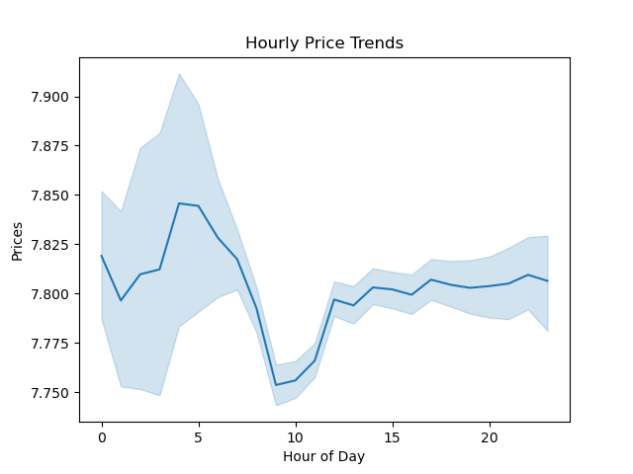

Average spending was highest around 4-5am.

3. Instacart has a lot of products with different price tags. Marketing and sales want to use simpler price range groupings to help direct their efforts.



Most products are about $1-15. Simpler price range groupings would be low-range products (< $5), mid-range products ($5-$15), and high-range products (>$15).

4. Are there certain types of products that are more popular than others? The marketing and sales teams want to know which departments have the highest frequency of product orders.

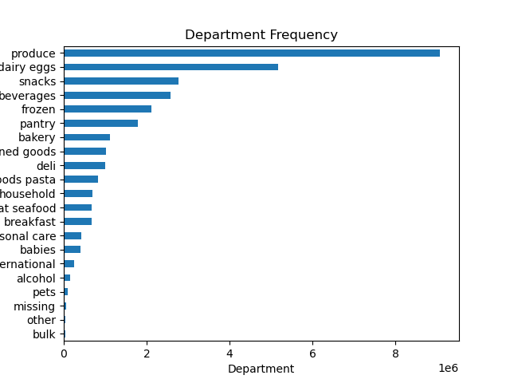

Produce is the most popular product, followed by dairy, eggs, and snacks.

5. What's the distribution among users in regards to their brand loyalty? Are there differences in ordering habits based on a customer's loyalty status?

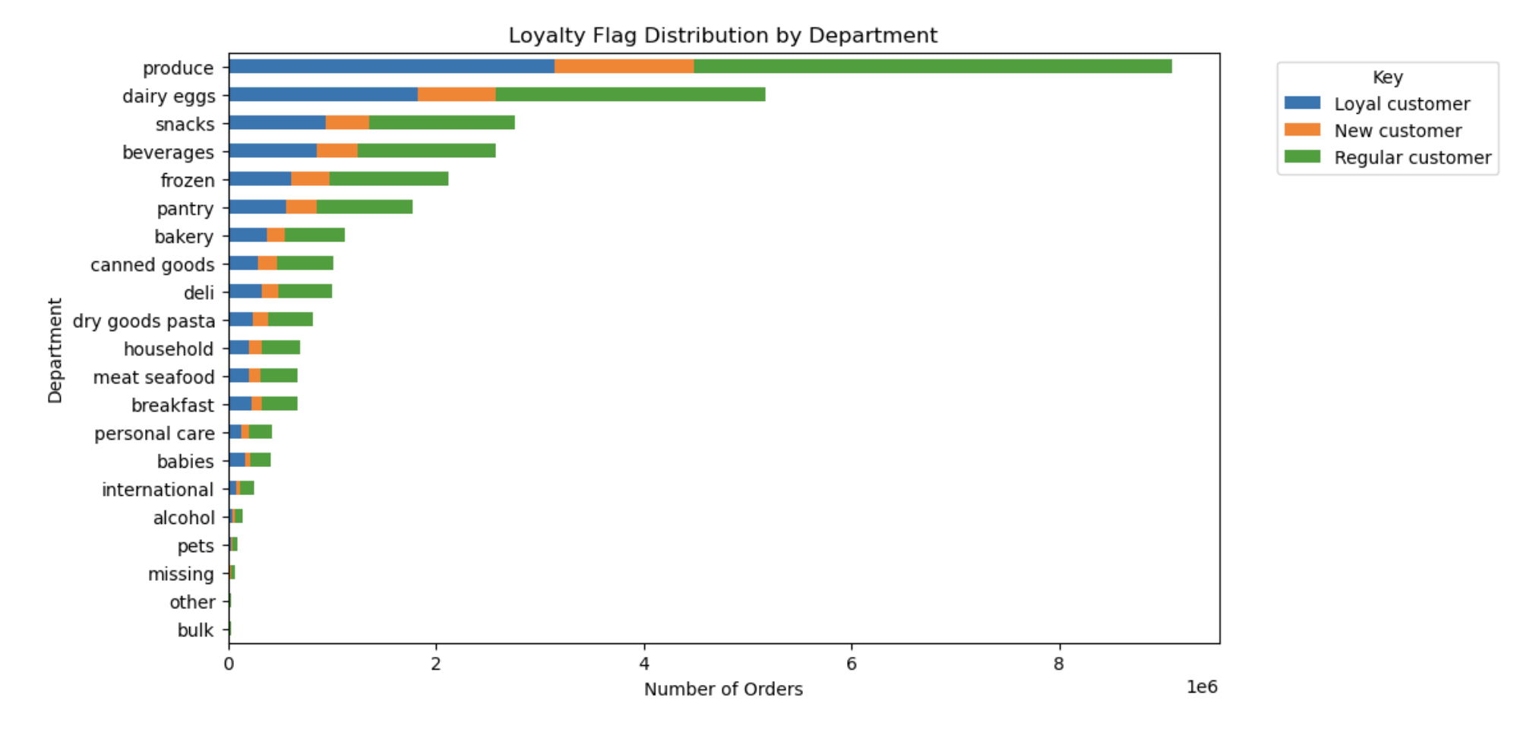
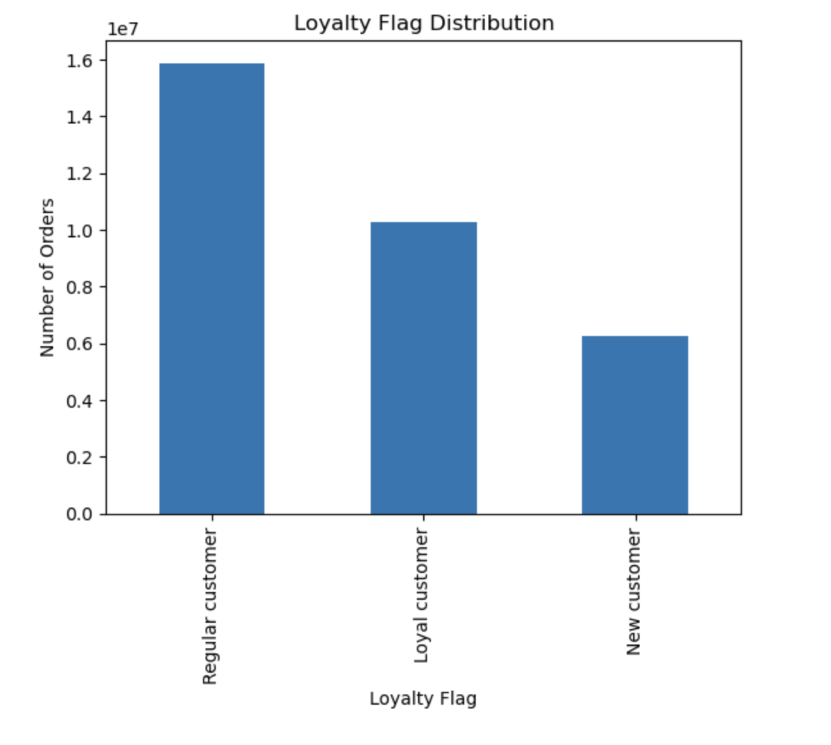

Regular customers place the most orders, and new customers place the least orders.

6. Are there differences in ordering habits based on a customer's region?

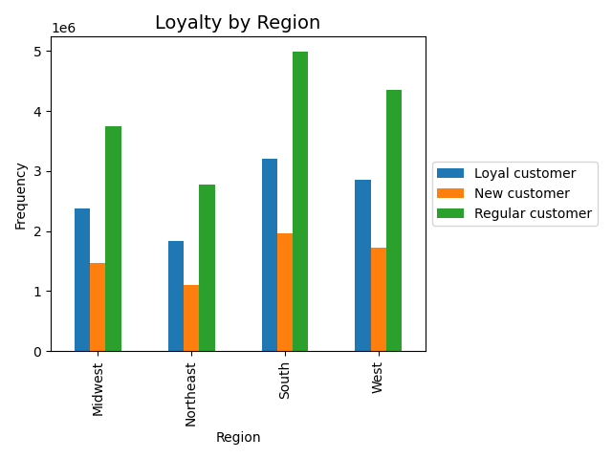
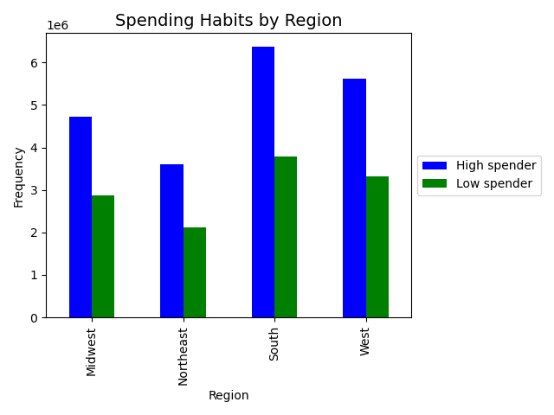

The South has the most customers in all categories, and the Northeast has the least customers in all categories.

7. Is there a connection between age and family status in terms of ordering habits?

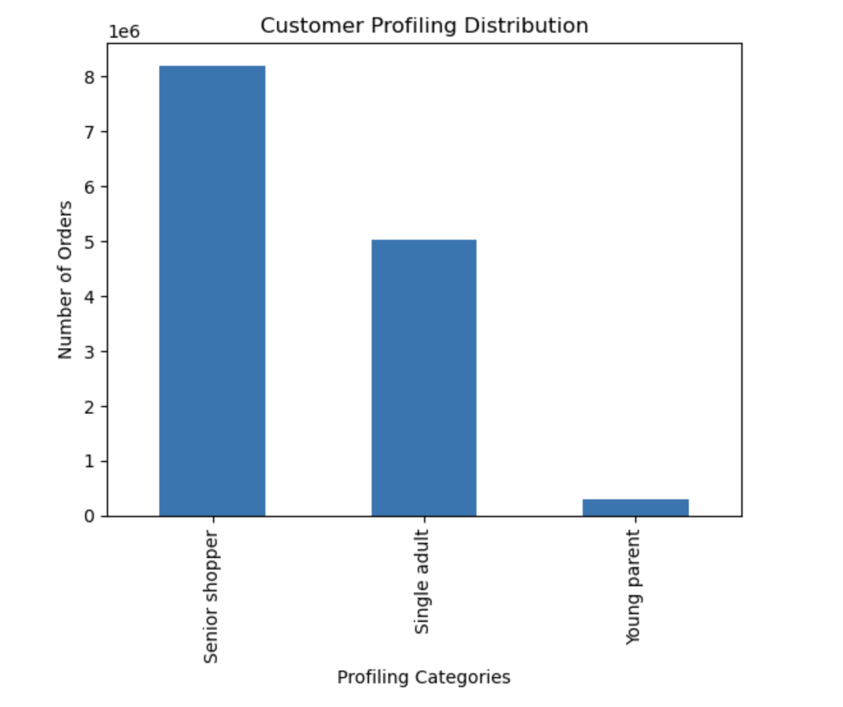
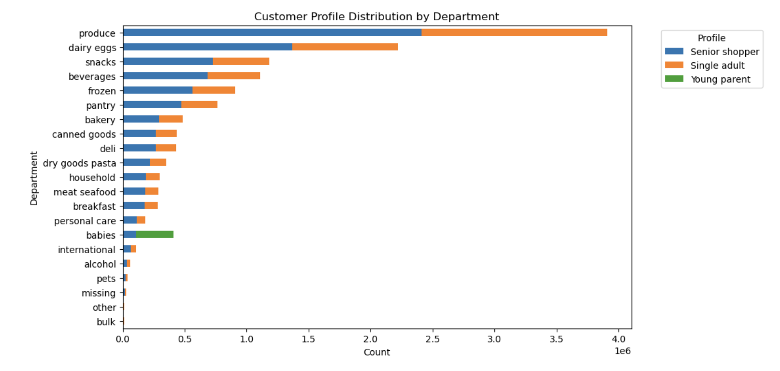

Senior shoppers placed the most orders, and young parents placed the least orders. Young parents only bought products from the babies department.

7. Recommendations
 |  | Title page

Recommendations

In this tab you should include any recommendations you would made to Instcart in terms of their marketing strategy based on the questions posed in the brief. Every key question has been covered in the Tasks of the Exercises - here you need to add an item - a visualisation or table/crosstable that is showing the answer in the data, acompanied by a comment from you. Please, list the questions below and add the answer underneath.

Question | Answer
Key Question 1 | The sales team needs to know what the busiest days of the week and hours of the day are (i.e., the days and times with the most orders) in order to schedule ads at times when there are fewer orders.

 | Observation: The busiest days for orders are Saturday and Sunday. Peak ordering hours are about 9am to 4pm.
 | Recommendation: Consider running ad campaigns during weekdays outside of peak ordering hours to reach potential customers during less busy periods.
 | Target promotions or advertisements during specific days and hours that have lower order volumes, especially during late evening or early morning hours on weekdays.

Key Question 2 | They also want to know whether there are particular times of the day when people spend the most money, as this might inform the type of products they advertise at these times.

 | Observation: Average spending was highest around 4-5am.
 | Recommendation: Run targeted prmotions and advertisements during the early morning hours, especially 4-5am.
 | Since this time coincides with the early hours of the day, promote breakfast and morning essentials such as fresh produce, dairy products, coffee, and breakfast cereals.
 | Highlighting these items during this timeframe can encourage customers to make purchases.

Key Question 3 | Instacart has a lot of products with different price tags. Marketing and sales want to use simpler price range groupings to help direct their efforts.

 | Observation: Products between $1-$15 have the highest frequency.
 | Recommendation: Highlight and promote products in the "Under $15" range, as this is where you see the highest order frequency.
 | Consider creating a dedicated section on the website or app for budget-friendly items.

Key Question 4 | Are there certain types of products that are more popular than others? The marketing and sales teams want to know which departments have the highest frequency of product orders.

 | Observation: Produce is the most popular product, followed by dairy, eggs, and snacks.
 | Recommendation: Create dedicated sections or banners on the Instacart website or app to promote products from the most popular departments.
 | Offer special deals, discounts, or bundle options within the popular departments.
 | For example, "buy one, get one free" for select produce items or a discounted bundle of snacks and dairy products.

Key Question 5 | What's the distribution among users in regards to their brand loyalty? Are there differences in ordering habits based on a customer's loyalty status?

 | Observation: Regular customers placed the most orders, and new customers place the least orders.
 | Recommendation: Implement or enhance loyalty programs tailored to different customer segments.
 | For example, regular customers might benefit from a points-based system that rewards frequent orders, while loyal customers can enjoy exclusive discounts or early access to promotions.
 | New customers could receive incentives to return and place additional orders.

Key Question 6 | Are there differences in ordering habits based on a customer's region?

 | Observation: The South has the most customers in all categories, and the Northeast has the least customers in all categories.
 | Recommendation: Create marketing campaigns tailored to each region.
 | Highlight products, promotions, and features that are most appealing to customers in the South, and do the same for the Northeast.
 | Use regional influencers or testimonials to connect with local customers.

Key Question 7 | Is there a connection between age and family status in terms of ordering habits?

 | Observation: Senior shoppers placed the most orders, and young parents placed the least orders. Young parents only bought products from the babies department.
 | Recommendation: Highlight products and promotions that are popular among seniors. Advertise convenience and delivery options that cater to their needs.
 | Diversify the product range for young parents.
 | While young parents mostly buy from the babies department, consider offering a wider selection of products that appeal to this demographic, such as family meals, household essentials, and self-care items.

